Getting External Data

Use Power Query to import external data

 | and Python in Excel to analyze and visualize!

Open Excel and Power Query

Open Excel, go to the Data tab, and select Get Data > From Web.
Paste the link: https://stockanalysis.com/stocks/msft/financials/balance-sheet/?p=quarterly in the URL input.

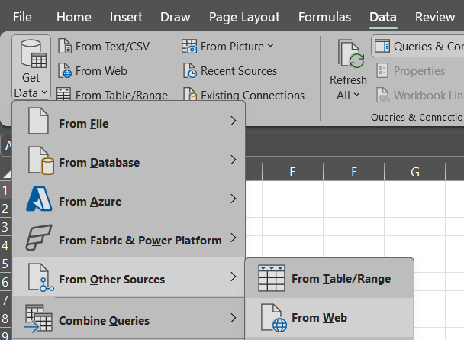

Preview the Data

Power Query will fetch the content of the webpage and show a list of tables or structured data it detects on the page.
Select the table that contains the balance sheet data. It might not be perfectly formatted initially, so you might need to adjust it a little to fit the Excel format you want.

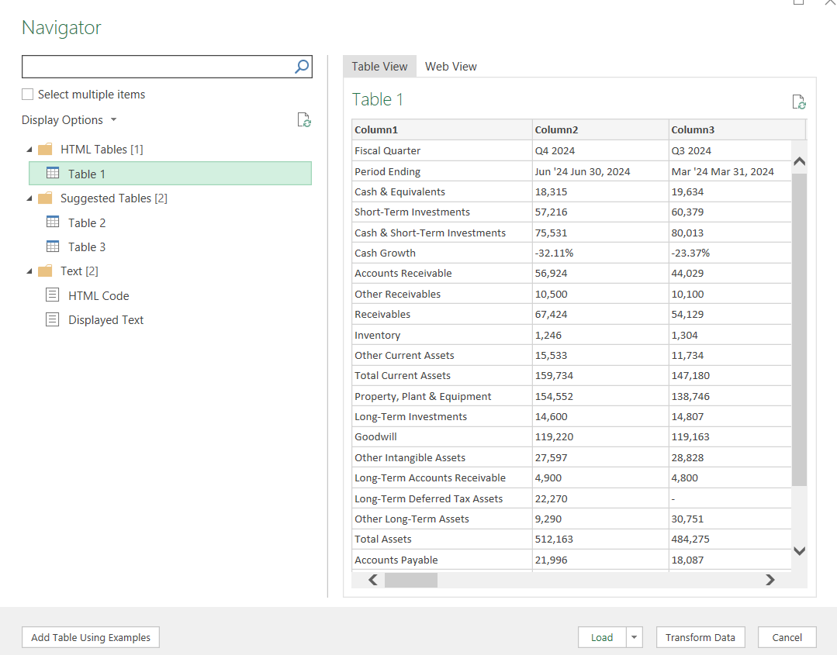

Transform Data (if needed)

In Power Query, clean up the data as necessary. You might need to rename columns, filter out unnecessary rows, or convert data types (e.g., numbers, dates).
You can remove irrelevant columns, such as those that don't contain meaningful data.
Ensure the data looks clean and well-structured.

Load Data into Excel

Once your data is clean, click Close & Load to bring the data into Excel as a new table.

Analyze and Visualize Using Python in Excel

Now that the data is loaded, you can use Python in Excel to analyze it further and visualize the trends, such as cash growth, or compare accounts receivable over time.

First add your data into a dataframe

Now visualize it with this code:

Bar Graph for a Single Account (Cash & Equivalents)

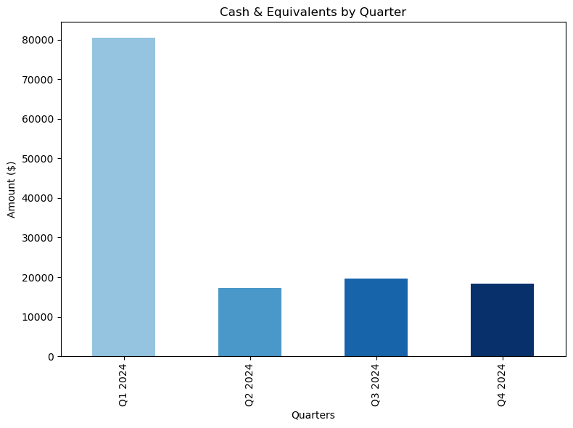

Bar Graph for Multiple Accounts

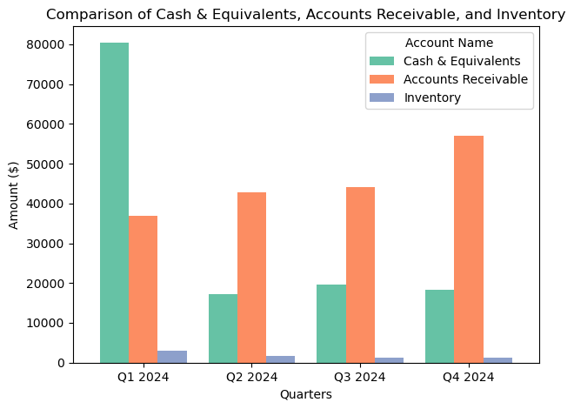

Generate a Heatmap

